GENERAL
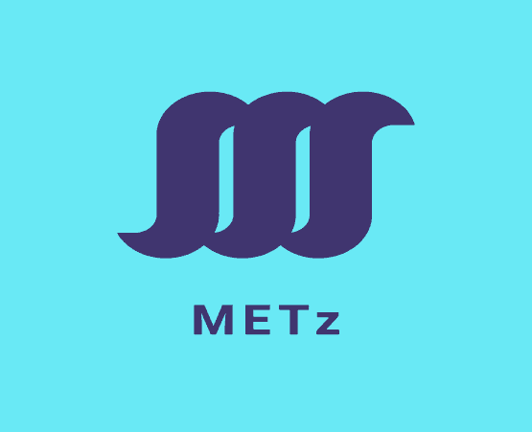
 |  | METZ ENGINEERING CO.LIMITED

 | GENERAL CONSTRUCTION AND CIVIL ENGINEERING SERVICES

COMPANY PROFILE

 | You're building the future. We're here to help

 | P.O BOX 71003
 | Dar es Salaam
 | Tanzania
 | Phone: +255-765184245 /+255-754567065
 | Email: metz_engineering@yahoo.com

METz ENGINEERING CO. LIMITED

 | GENERAL INFORMATION

 | Name of firm: | METz ENGINEERING CO. LIMITED

 | Year of establishment: | 2019 and Registered

 | Postal address: | 71003 Dar es Salaam, Tanzania

 | Telephone/ mob: | +255-765184245
 |  | +255-754567065

 | E-mail address: | metz_engineering@yahoo.com

 | Main business | General construction and civil engineering

You're building the future. We're here to help

METz ENGINEERING CO. LIMITED

METz ENGINEERING CO. LIMITED was established in 2019 and registered as a limited company. This is a privately owned Tanzanian Company It was established to operate in Tanzania with various activities as registered in the memorandum and articles of associations.

METz ENGINEERING CO. LIMITED has been registered by the Contractors Registration Board (CRB) of Tanzania as a Building Works and Civil Works Contractor Class SIX. METz ENGINEERING CO. LIMITED operates under the laws and regulations of Tanzania and will always follow any associated territorial regulations in public activities.

The core factors of the company is to deliver quality work, recognise all the team members and induct for safer environments and combine technology with knowledge to provide and maintain highest quality workmanship.

You're building the future. We're here to help

METz ENGINEERING CO. LIMITED

OUR PRODUCT SERVICES

We offer general contracting, construction management, design-build, and pre-construction planning services for projects of all sizes from a single office fit-up to real estate projects.

As a full service construction company, we essentially assist our clients from the very outset to the completion of their projects.

We become partners with our clients in understanding the five basic function of;

 | a) Defining and establishing the scope of the construction project.

 | b) Pre-construction project planning including preparation and scheduling of the projects, phasing plans, budgeting/cost modelling and subcontractor qualification.

 | c) On-site execution of the project includes scheduling, quality control, safety management, sub-contractor management, and project status reporting and change management.

 | d) Monitoring and controlling the project Closing of the project related to the post construction activities..

 | PROJECT DELIVERY METHODS.

 | We build diverse range of projects for our clients under a variety of project delivery methods including;

 | a. Lump sum bid from completed drawings

 | b. Construction management

 | c. Design-build development

 | e. Pre-construction services

You're building the future. We're here to help

METz ENGINEERING CO. LIMITED

We have striven to be the contractor of choice for infrastructure and real estate development in this country. We are focused on construction, civil engineering, real estate and deliver the projects on schedule. When planning and researching future projects we engage stakeholders in order to understand their needs and expectations. We are then able to adopt an informed holistic approach to our business, thus ensuring a sustainable and positive impact on the economic and social development

A snapshot of our services are;

 | a. Building and construction works

 | b. Civil works

 | c. Interior design and partitions

 | d. Landscaping

From high-end retail construction to intricate residential units and office space, we have the techniques and the experienced construction teams to help our clients meet their goals.

Our company offers the services clients; need to make their project a success including;

 | Cost estimating

 | Scheduling

 | Infrastructure and building system evaluations

 | Interface with equipment vendors

Whether the project boasts a lengthy schedule or is based on fast track construction, we are accustomed to understanding the goals so our clients can keep their businesses on track without disruptions.

You're building the future. We're here to help

METz ENGINEERING CO. LIMITED

OUR ORGANIZATIONAL STRUCTURE

BOARD OF DIRECTORS

MANAGING DIRECTOR

COMPANY SECRETARY

ACCOUNT & FINANCE
TECHNICAL DIRECTOR

PROJECT MANAGER
PROJECT QUANTITY SURVERYOR

ENGINEERS
 |  | QUALITY ASSURANCE OFFICER

You're building the future. We're here to help

METz ENGINEERING CO. LIMITED

COMPANY PERSONNEL

1 | MANAGING DIRECTOR | QUALIFICATION AND EXPERIENCE

You're building the future. We're here to help

PERSONEL

 |  | METZ ENGINEERING CO.LIMITED

 | GENERAL CONSTRUCTION AND CIVIL ENGINEERING SERVICES

COMPANY PROFILE

 | You're building the future. We're here to help

P.O BOX 71003
Dar es Salaam
Tanzania
Phone: +255-765184245 /+255-754567065
Email: metz_engineering@yahoo.com

METz ENGINEERING CO. LIMITED

 | GENERAL INFORMATION

Name of firm: |  | METz ENGINEERING CO. LIMITED

Year of establishment: |  | 2017 and Registered 2019

Postal address: |  | 71003 Dar es Salaam, Tanzania

Telephone/ mob: |  | +255-765184245
 |  | +255-754567065

E-mail address: |  | metz_engineering@yahoo.com

Main business |  | Building Construction and Civil engineering

You're building the future. We're here to help
Page 1 of 14
METz ENGINEERING CO. LIMITED

METz ENGINEERING CO. LIMITED was established in 2017 and registered in 2019 as a limited company. This is a privately owned Tanzanian Company It was established to operate in Tanzania with various activities as registered in the memorandum and articles of associations.

METz ENGINEERING CO. LIMITED has been registered by the Contractors Registration Board (CRB) of Tanzania as a Building Works and Civil Works Contractor Class SIX. METz ENGINEERING CO. LIMITED operates under the laws and regulations of Tanzania and will always follow any associated territorial regulations in public activities.

The core factors of the company is to deliver quality work, recognise all the team members and induct for safer environments and combine technology with knowledge to provide and maintain highest quality workmanship.

You're building the future. We're here to help
Page 2 of 14
METz ENGINEERING CO. LIMITED

OUR PRODUCT SERVICES

We offer general contracting, construction management, design-build, and pre-construction planning services for projects of all sizes from a single office fit-up to real estate projects.

As a full service construction company, we essentially assist our clients from the very outset to the completion of their projects.

We become partners with our clients in understanding the five basic function of;

 | a) Defining and establishing the scope of the construction project.

 | b) Pre-construction project planning including preparation and scheduling of the projects, phasing plans, budgeting/cost modelling and subcontractor qualification.

 | c) On-site execution of the project includes scheduling, quality control, safety management, sub-contractor management, and project status reporting and change management.

 | d) Monitoring and controlling the project Closing of the project related to the post construction activities..

 | PROJECT DELIVERY METHODS.

 | We build diverse range of projects for our clients under a variety of project delivery methods including;

 | a. Lump sum bid from completed drawings

 | b. Construction management

 | c. Design-build development

 | e. Pre-construction services

You're building the future. We're here to help
Page 3 of 14
METz ENGINEERING CO. LIMITED

We have striven to be the contractor of choice for infrastructure and real estate development in this country. We are focused on construction, civil engineering, real estate and deliver the projects on schedule. When planning and researching future projects we engage stakeholders in order to understand their needs and expectations. We are then able to adopt an informed holistic approach to our business, thus ensuring a sustainable and positive impact on the economic and social development

A snapshot of our services are;

 | a. Construction and Maintenance of Residential Houses, Commercial and Industrial Buildings,

 | b. Construction andMaintenance of Sewerage an d Drainage Systems,

 | c. Interior design and partitions

 | d. Landscaping

 | e. Construction and Maintenance of Roads,

 | f. Construction andMaintenance of Sewerage an d Drainage Systems,

From high-end retail construction to intricate residential units and office space, we have the techniques and the experienced construction teams to help our clients meet their goals.

Our company offers the services clients; need to make their project a success including;

 | Cost estimating

 | Scheduling

 | Infrastructure and building system evaluations

 | Interface with equipment vendors

Whether the project boasts a lengthy schedule or is based on fast track construction, we are accustomed to understanding the goals so our clients can keep their businesses on track without disruptions.

You're building the future. We're here to help
Page 4 of 14
METz ENGINEERING CO. LIMITED

OUR ORGANIZATIONAL STRUCTURE

BOARD OF DIRECTORS

MANAGING DIRECTOR
DEPUTY MANAGING DIRECTOR

COMPANY SECRETARY

ACCOUNT & FINANCE
TECHNICAL DIRECTOR

PROJECT MANAGER
PROJECT QUANTITY SURVERYOR

ENGINEERS
SITE AGENT

You're building the future. We're here to help
Page 5 of 14
METz ENGINEERING CO. LIMITED

 | COMPANY PERSONNEL

S/N | DESCRIPTION | NAME | QUALIFICATION | EXPERIENCE

1 | Managing Director | Mtambalike Shinga Mtambalike | Entrepreneurship | 20Yrs
2 | Deputy Managing Director | Ezekiel Wilson Peter | Quantity Surveyor | 10Yrs
3 | Finance Manager | Queen Moccah | Account and Finance | 9Yrs
4 | Legal Advisor/Human Resource Manger | Juliana Moka Changarawe | LLB | 15Yrs
5 | Sites/General manager | Respicius S. Kabyemela | Civil Engineer | 2O Yrs
6 | Records Managment Officer | Mary Joseph Muronko | Records Management | 2yrs
7 | Engineer 1 | Twahil Abdallah | Civil andWater Resources Engineer | 5Yrs
8 | Engineer 2 | Victor Marko Pallagyo | Civil Engineer | 3Yrs
9 | Engineer 3 | Francis K. Magesa | Civil Engineer | 20Yrs
10 | Quantity surveyor | Irene Andrew Mnyeke | Quantity Surveyor | 6Yrs
11 | Site coordinator | Respicius S. Kabyemela | Civil Engineer | 2O Yrs
12 | Site agents | Wily B.M.Machumu | FTC. Civil Engineer | 28 Yrs
13 | Foremen | Francis K. Magesa | Civil Engineer | 20Yrs
14 | Construction Safety and Health Management Officer | Wily B.M.Machumu | FTC. Civil Engineer | 28 Yrs

You're building the future. We're here to help
Page 6 of 14
METz ENGINEERING CO. LIMITED

COMPANY WORKFORCE

S/N | DESCRIPTION | QTY | QUALIFICATION

1.0 | Masons | 30 | Well trained and certified

2.0 | carpenters | 10 | Well trained and certified

3.0 | Painters | 20 | Well trained and certified

4.0 | plumbers | 5 | Well trained and certified

5.0 | Electrician | 5 | Well trained and certified

6.0 | Casual labourers | 40 | Well trained and certified

You're building the future. We're here to help
Page 7 of 14
METz ENGINEERING CO. LIMITED

TOOLS AND EQUIPMENT

 | ITEM | DESCRIPTION

 | 1 | Concrete mixers

 | 2 | Hammer drills

 | 3 | Drilling machines

 | 4 | Screw drills

 | 5 | Electric generators

 | 6 | Diesel power generators

 | 7 | Welding machines

 | 8 | Car mixer 3.5 cubic meter

 | 9 | Water pumps

 | 10 | Gas welders and kit

 | 11 | Laser Level machine

 | 12 | Laser tapes

 | 13 | High quality scaffoldings

 | 14 | vibrators

 | 15 | Heavy rollers , 10 tonnes

 | 16 | Dumping levels

You're building the future. We're here to help
Page 8 of 14
METz ENGINEERING CO. LIMITED

SAFETY GEAR

 | Item | Description | QTY

 | 1 | overalls | Changed every site

 | 2 | boots | Changed every site

 | 3 | helmets | Changed every site

 | 4 | Safety gloves | Changed every site

 | 5 | Safety glasses | Changed every site

 | 6 | Safety harness | 20PRS

 | 7 | Hearing protection | Changed every site

You're building the future. We're here to help
Page 9 of 14
METz ENGINEERING CO. LIMITED

 | SOCIAL RESPONSIBILITY

 | METZ ENGINEERING CO. LIMITED will always regard the comm unity as one of its keystakeholder, thus will be in hand to hand with the comm unity through its social activities. Wewill make sure that our social responsibilities are rendered as required.

 | OUR STRATEGIC OBJECTIVE

 | METZ ENGINEERING CO. LIMITED has set its five (6) year corporate strategy in the following specific objectives:

 | a. To become successful construction company in the construction industry

 | b. To grow its revenue by 50% and expand its businessto countrywide for the coming five (5) years to 2025.

 | c. To establish its lon g term relationship with its key stakeholders such as: clients, consultants, lenders, and financial institutions.

 | KEY TO SUCCESS

 | The key to o ur success is our commitment to quality, our continuous investment and training in the newest technology and our focus on values and workmanship. With METZ ENGINEERING CO. LIMITED on your team you will find the experience, expertise and integrity necessary to manage and com plete your next project on time and within budget.

You're building the future. We're here to help
Page 10 of 14
METz ENGINEERING CO. LIMITED

Health and safety

For health and safety every employee working on site is insured whereas the site agents are trained to give first aid, whereas every employee or any new attendant on a new or running project are inducted for safety before working on site by the site agent who has officially been trained and inducted for site safety and can also asses risks. Employees are also trained on reducing the risks of injuries and are also trained on injury prevention methods, and are also inducted on how to use hazardous and warning signs.

Occupational health and safety construction induction

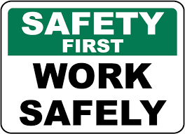 |  | The company frequently organises, occupational health and safety construction workshops, where all the employees are invited to attend this workshops which give a glance of safety methods and introduce new methods and train on how to asses risks, prevention of accidents and work smart ideas are introduced.

You're building the future. We're here to help
Page 11 of 14
METz ENGINEERING CO. LIMITED

Our Projects
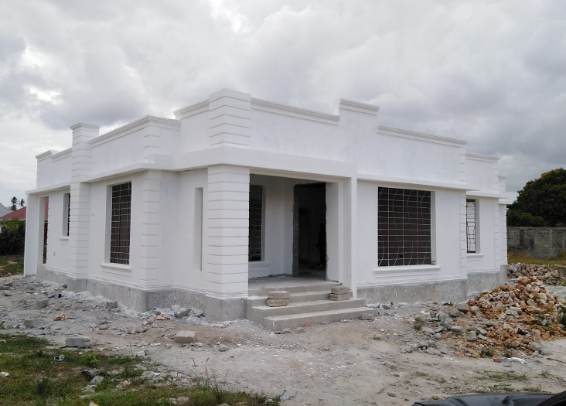
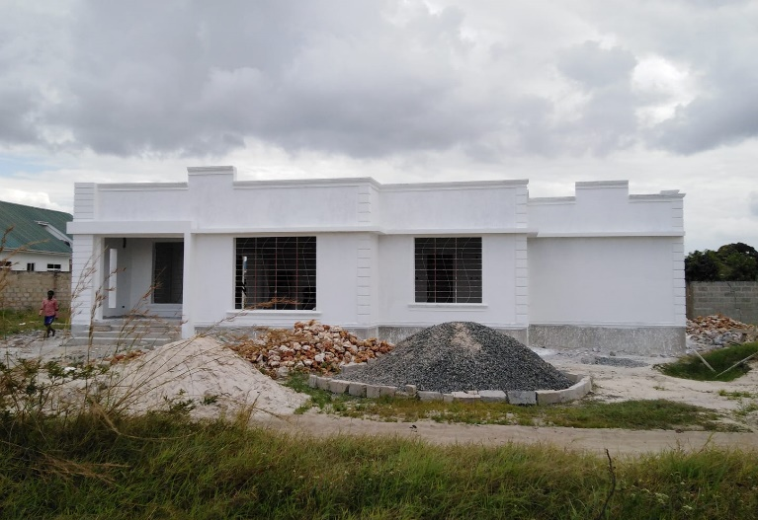

Construction of Simple Residential House at Mtoni Kijichi in Temeke Municipality- Dar es Salaam-for Miss. Juliana Moka
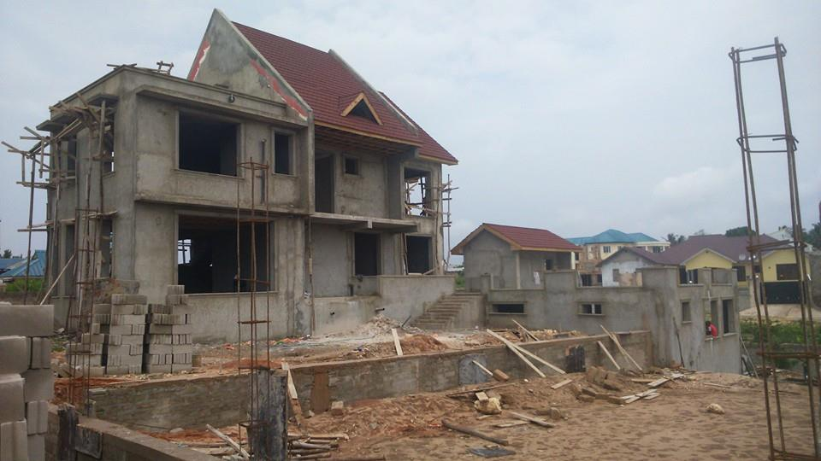
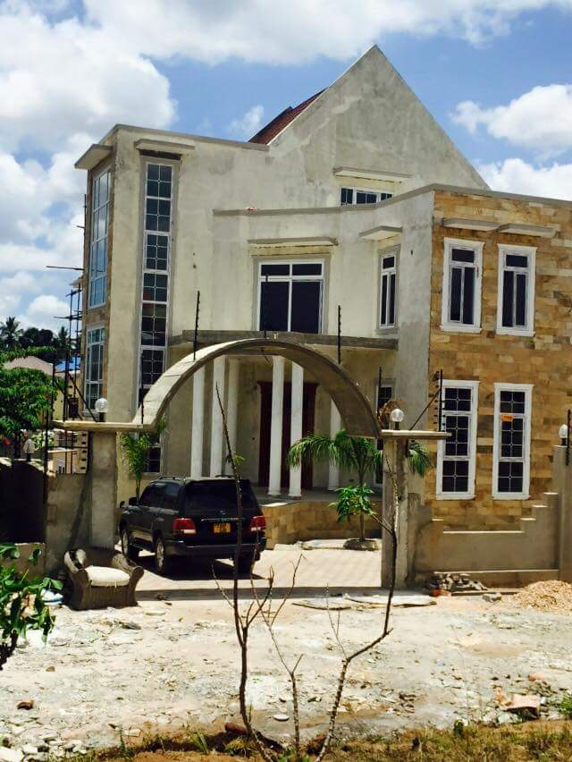

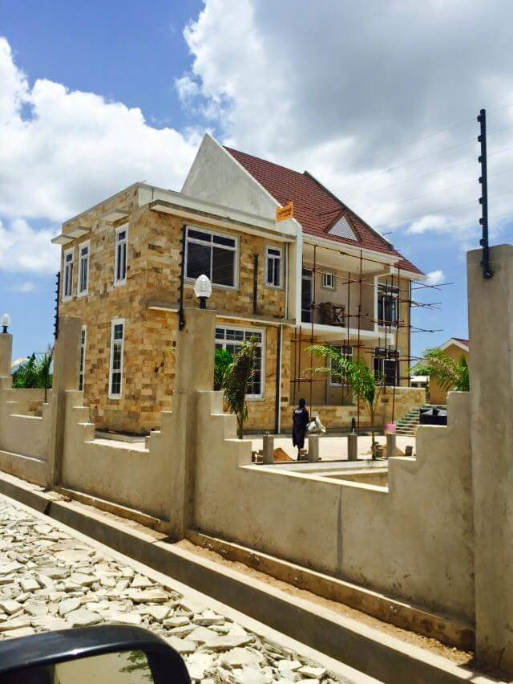

Construction of Residential House at Goba Kwa Awadhi in Kinondoni Municipality- Dar es Salaam-for Mr and Mrs Andrew Michael
You're building the future. We're here to help
Page 12 of 14
METz ENGINEERING CO. LIMITED

Our Projects

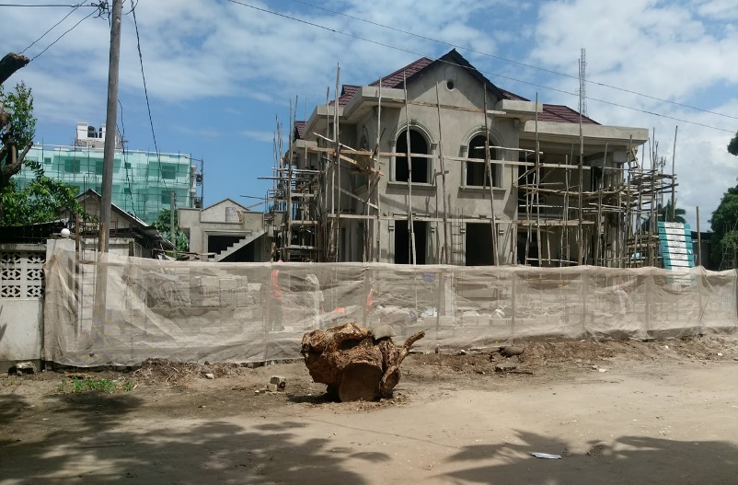
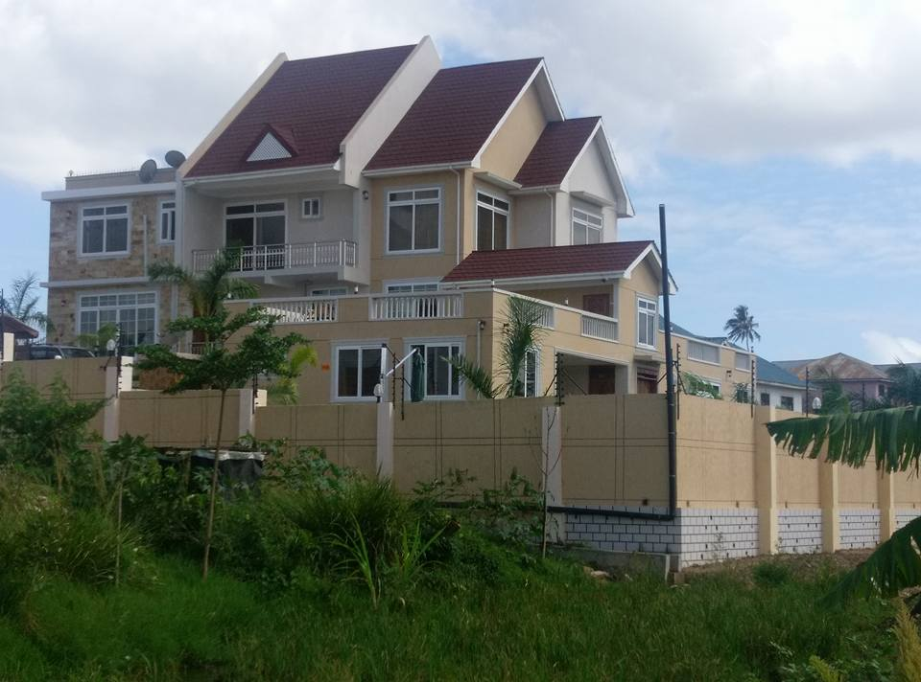

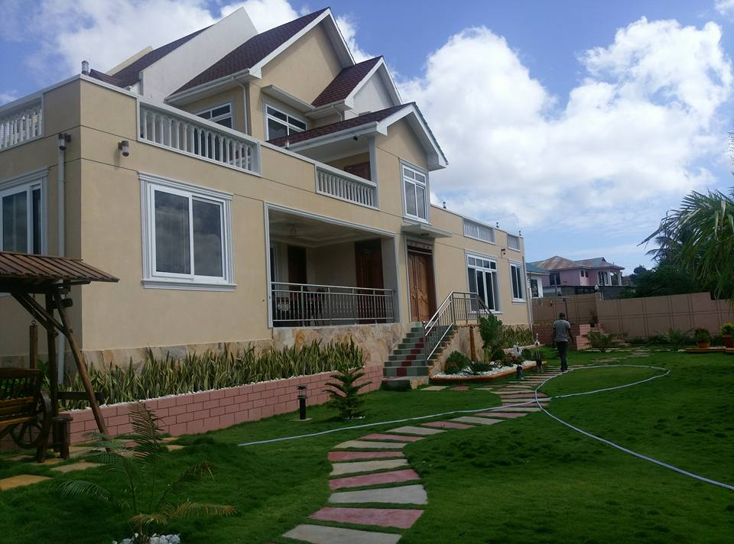
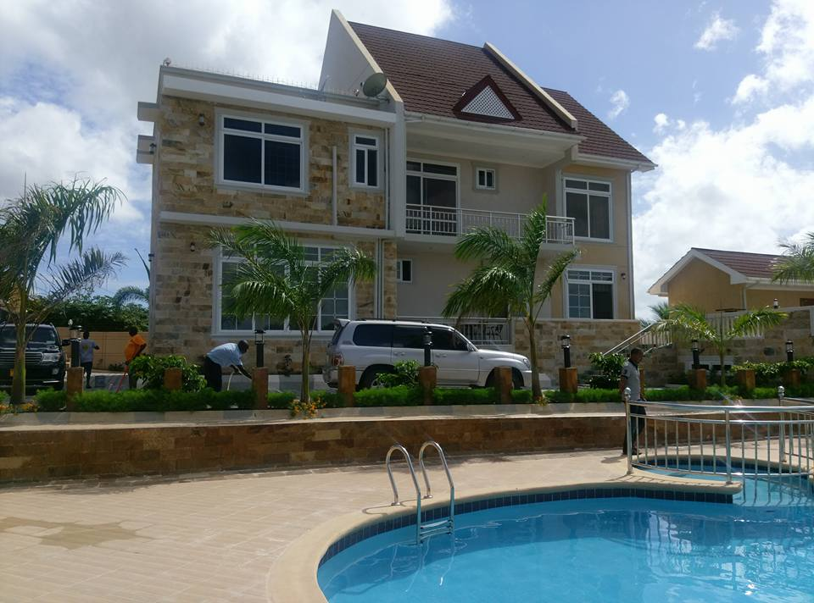

Construction of Residential House at Mongolandege in Ilala Municipality- Dar es Salaam-for Mr and Mrs Respicius Kabyemela; Contract Price TZS.156Millions

You're building the future. We're here to help
Page 13 of 14
METz ENGINEERING CO. LIMITED
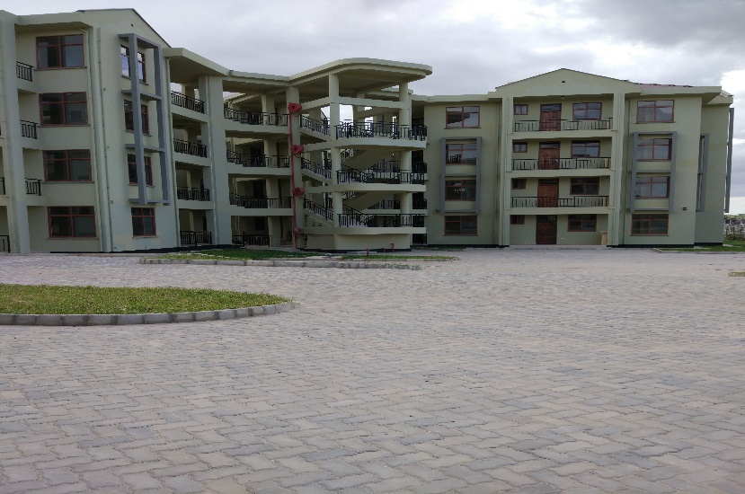
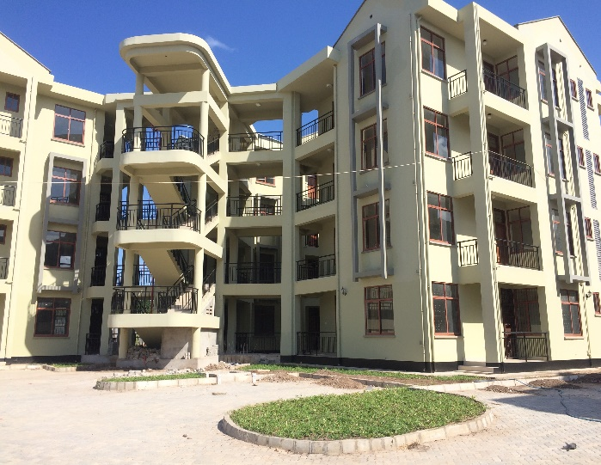

Construction of Affordable Housing Scheme Phase III at Mtoni Kijichi in Temeke Municipality-Lot 11 - Dar es Salaam-Sub-contracted landscaping+ paint and decoration. Contract Price TZS. 218Million

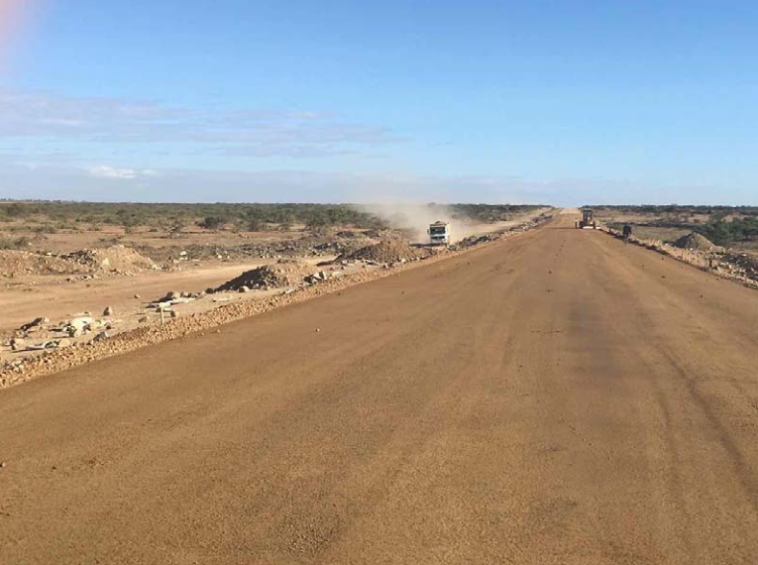
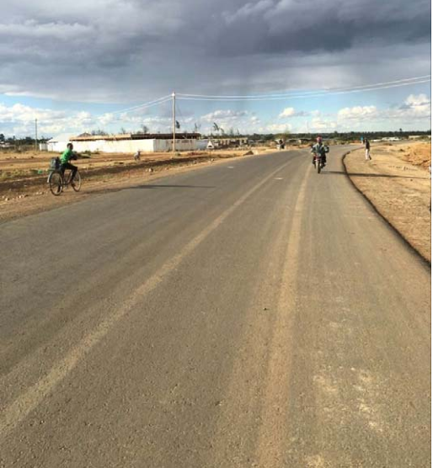

Periodic Maintance - WAILES ROAD, which is situated in Lindi Municipal Council. Double Surface dressing It covers 2Km as a whole. Tzs 350Million

You're building the future. We're here to help
Page 14 of 14

